Forms screen shots
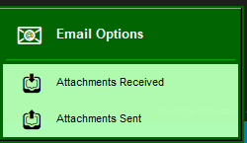
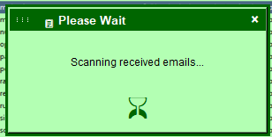
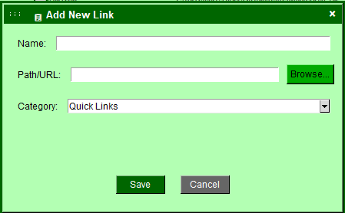
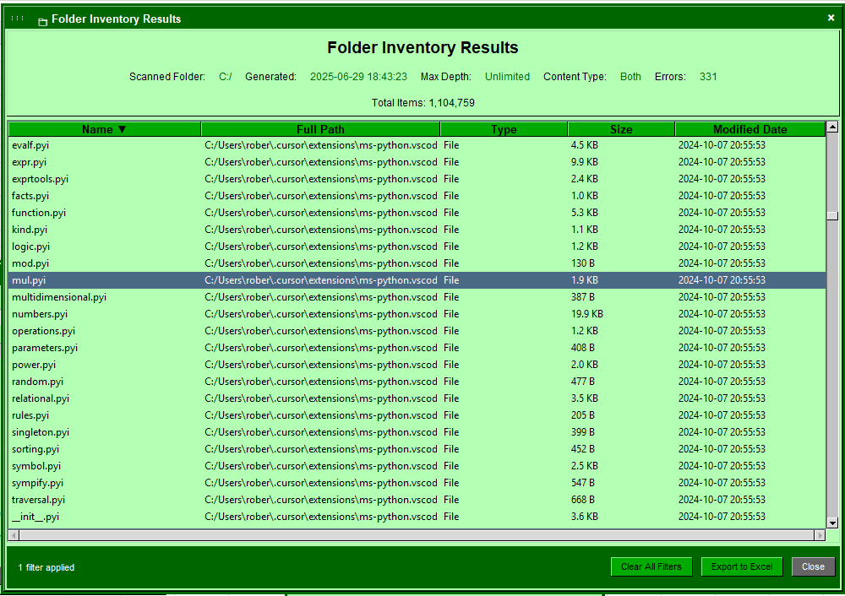
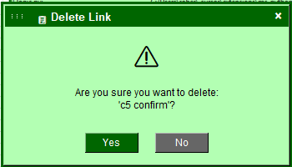
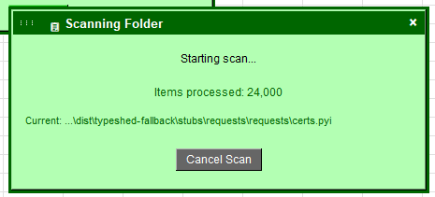
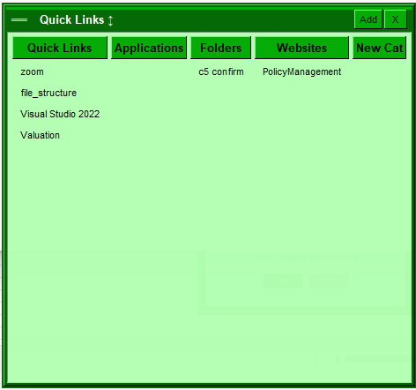
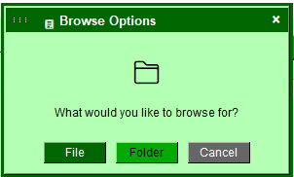
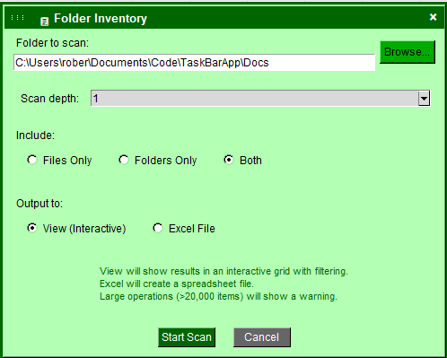
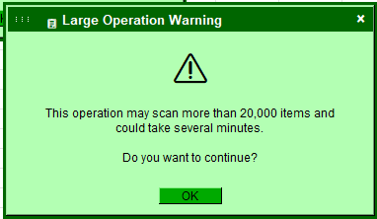
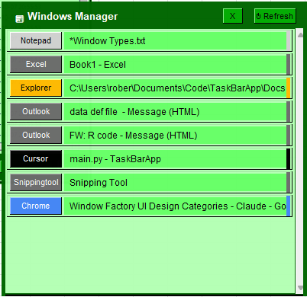
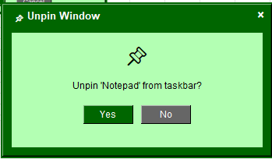
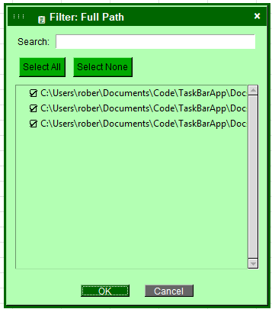
 | Context Menu | Taskbar Menus | Action Dialogue | Notification Dialogue | Floating Windows | Feature Windows
Modality | non-modal | non-modal | modal | non-modal | non-modal | non-modal
focus | "temporary" | "temporary" | Blocking | non-stealing | "independent" | "independent"
topmost | Yes | Yes | Yes | No | Yes | Yes
Draggable | FALSE | FALSE | TRUE | TRUE | TRUE | TRUE
resizable | none | top | none | none | all | all
persistance | none | none | none | none | none | session
close on | ["click_outside", "select_option", "escape"], | ["click_outside", "select_option", "escape"], | ["button_action"] | ["x_button", "auto_complete", "escape"] | ["x_button", "button_action"] | ["x_button", "button_action"]
titlebar | FALSE | FALSE | TRUE | TRUE | TRUE | TRUE
Dockable | FALSE | FALSE | FALSE | FALSE | FALSE | TRUE

